Dashboard
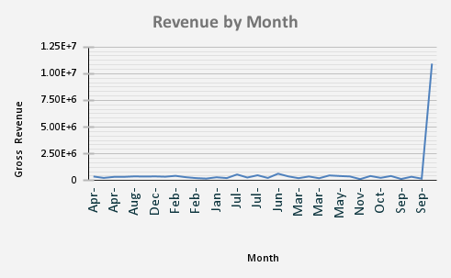
Month | Gross Revenue |  |  |  |  | GrossProfit | Channel |  |  |  |  |  |  | SKU | Gross Revenue
Apr-2023 | 371604.58274 |  |  |  |  | Region |  | Direct | Distributor | Marketplace | Online | Retail | Grand Total | CMP-8851 | 139277.83032
Apr-2024 | 239506.82714 |  |  |  |  |  | 0 |  |  |  |  |  | 0 | NET-2365 | 109244
Apr-2025 | 336135.1675 |  |  |  |  | Africa |  | 178577.7203 | 219116.8421 | 164839.30456 | 145453.94627 | 140531.63971 | 848519.45294 | LAP-8910 | 102122.94204
Aug-2023 | 339044.67039 |  |  |  |  | Americas |  | 258674.92591 | 175736.86192 | 97387.60752 | 261943.84437 | 69035.70922 | 862778.94894 | MON-6962 | 92715.25
Aug-2024 | 384156.19038 |  |  |  |  | Asia |  | 246072.37137 | 155163.86647 | 132709.51273 | 149042.38969 | 153258.55984 | 836246.7001 | MON-2266 | 87404.92992
Aug-2025 | 366808.7225 |  |  |  |  | Europe |  | 300745.6585 | 105550.8522 | 111146.83825 | 200067.16277 | 150086.47821 | 867596.98993 | MON-6699 | 85637.74032
Dec-2023 | 382101.3668 |  |  |  |  | Grand Total | 0 | 984070.67608 | 655568.42269 | 506083.26306 | 756507.3431 | 512912.38698 | 3415142.0919 | CMP-3938 | 84136.1196
Dec-2024 | 352686.24308 |  |  |  |  |  |  |  |  |  |  |  |  | LAP-3904 | 82514.71152
Feb-2023 | 433149.19553 |  |  |  |  |  |  |  |  |  |  |  |  | NET-5987 | 82141.3398
Feb-2024 | 307793.71462 |  |  |  |  |  |  |  |  |  |  |  |  | NET-5523 | 79548.756
Top 10 SKUs by Revenue
Feb-2025 | 221608.49787
Jan-2023 | 178642.73715
Jan-2024 | 299100.37308
Jan-2025 | 223498.20032
Jul-2023 | 560860.55604
Jul-2024 | 275628.61963
Jul-2025 | 486970.83348
Jun-2023 | 236474.06157
Jun-2024 | 634490.72338
Jun-2025 | 381463.40396
Mar-2023 | 215576.67438
Mar-2024 | 374300.10981
Mar-2025 | 209425.98854
May-2023 | 470192.17182
May-2024 | 416985.76567
May-2025 | 375723.96026
Nov-2023 | 127009.5058
Nov-2024 | 416944.18555
Oct-2023 | 246114.84045
Oct-2024 | 417732.48301
Sep-2023 | 141266.51419
Sep-2024 | 347613.18767
Sep-2025 | 172279.7276
Grand Total | 10942889.802

 | Total Revenue | Gross Profit | Margin % | Avg Order Value | On-Time %
 | £10,942,890 | £3,415,142 | 77.29% | £17,315 | 27.22%

